2020Faculty_Summary
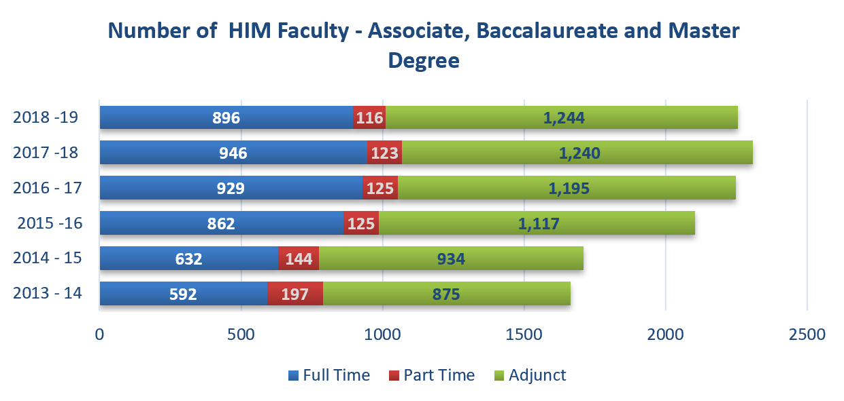
 | Reporting Period |  | Faculty
Program Level | Start Date | End Date | Full Time | Part Time | Adjunct | Total
APAR 2020

Associate Health Information Management | 2018-08-01 | 2019-07-31 | 611 | 79 | 895 | 1,585
Baccalaureate Health Information Management | 2018-08-01 | 2019-07-31 | 252 | 37 | 314 | 603
Master Health Information Management | 2018-08-01 | 2019-07-31 | 33 | 0 | 35 | 68
Master Health Informatics | 2018-08-01 | 2019-07-31 | 120 | 33 | 55 | 208

APAR 2019

Associate Health Information Management | 2017-08-01 | 2018-07-31 | 664 | 85 | 884 | 1,633
Baccalaureate Health Information Management | 2017-08-01 | 2018-07-31 | 257 | 38 | 326 | 621
Master Health Information Management | 2017-08-01 | 2018-07-31 | 25 | 0 | 30 | 55
Master Health Informatics | 2017-08-01 | 2018-07-31 | 89 | 32 | 35 | 156

APAR 2018

Associate Health Information Management | 2016-08-01 | 2017-07-31 | 654 | 92 | 849 | 1,595
Baccalaureate Health Information Management | 2016-08-01 | 2017-07-31 | 249 | 33 | 311 | 593
Master Health Information Management | 2016-08-01 | 2017-07-31 | 26 | 0 | 35 | 61
Master Health Informatics | 2016-08-01 | 2017-07-31 | 63 | 28 | 23 | 114

APAR 2017

Associate Health Information Management | 2015-08-01 | 2016-07-31 | 608 | 79 | 785 | 1,472
Baccalaureate Health Information Management | 2015-08-01 | 2016-07-31 | 231 | 45 | 293 | 569
Master Health Information Management | 2015-08-01 | 2016-07-31 | 23 | 1 | 39 | 63
Master Health Informatics | 2015-08-01 | 2016-07-31 | 44 | 6 | 21 | 71

